Prompt Evaluation
Model | Image Number | Image | Original Caption | Prompt | Output | Inference Time (s) | VRAM Used (GB) | CIDEr | SPICE | Cosine Similarity
unsloth/Qwen2-VL-7B-Instruct | 000404.jpg | 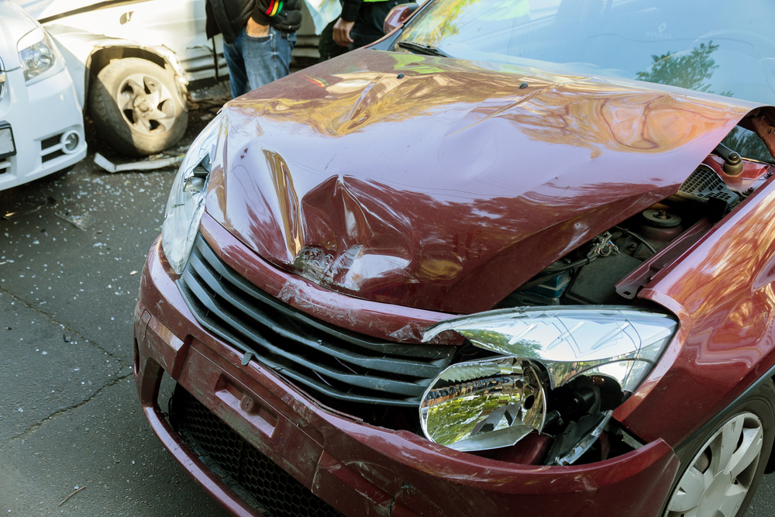 | The car exhibits significant damage. The front hood area shows a large dent with visible deformation and creasing. The headlight on the passenger's side is broken, with the lamp housing shattered and the bulb exposed. The front bumper also has a dent near the grille, and the grille itself appears to be slightly misaligned. The passenger side headlight is intact but the surrounding area has a dent. The tire on the driver's side appears to be flat. No scratches, cracks, or shattered glass are present. The overall condition of the car is severely compromised due to these damages. | Prompt 1 (Run 1) | system You are a helpful assistant. user assistant The image shows a car that has been involved in a collision. The front of the car is damaged, with the hood crumpled and the front bumper and headlights also appearing to be damaged. There is another car in the background that appears to have been involved in the accident as well, with its front wheel and part of its body showing signs of damage. The scene suggests a serious traffic accident. | 4.532 | 0.273 | 2.0344 | 0.15 | 0.522 | Prompt | Inference Time (s) | VRAM Used (GB) | CIDEr | SPICE | Cosine Similarity
 |  |  |  | Prompt 2 (Run 1) | system You are a helpful assistant. user Describe &&damage 12 sedan drive’ this !!image. assistant The image shows a red sedan that has sustained significant damage in a collision. The front of the car is heavily crumpled, with the hood and front bumper visibly damaged. The front grille and headlights are also damaged, and the hood is pushed up, indicating a severe impact. There is debris scattered around the car, suggesting that it was involved in a collision with another vehicle or object. The scene appears to be on a street or parking area, with another vehicle partially visible in the background. | 5.384 | 0.273 | 2.0525 | 0.1978 | 0.6477 | Prompt 1 | 4.25 | 0.2794 | 1.35028 | 0.13105 | 0.53437
 |  |  |  | Prompt 3 (Run 1) | system You are a helpful assistant. user An image of a damaged car parked on the side of the road. assistant The image shows a damaged car with its hood open, parked on the side of the road. The front of the car appears to have sustained significant damage, including a crumpled hood and a broken headlight. There is another car in the background, which also seems to have been involved in the accident. The scene suggests a car accident has occurred. | 3.838 | 0.273 | 1.9111 | 0.1176 | 0.5528 | Prompt 2 | 5.25335 | 0.2794 | 1.70404 | 0.16381 | 0.6762
 |  |  |  | Prompt 4 (Run 1) | system You are a helpful assistant. user You are an insurance claims assessor. Provide a detailed description of the car’s condition. assistant The car in the image appears to have sustained significant damage in a collision. Here are the details of the car's condition: 1. **Front End Damage**: - The front bumper is completely detached and hanging off the front of the car. - The hood is crumpled and dented, indicating a severe impact. - The front grille is damaged and distorted. - The front headlight is shattered and the bumper is completely detached. 2. **Right Side Damage**: - The right front fender is dented and crumpled. - The front wheel is partially visible and appears to be damaged | 6.659 | 0.273 | 2.1259 | 0.1895 | 0.7304 | Prompt 3 | 3.77225 | 0.2794 | 1.68952 | 0.14116 | 0.53054
 |  |  |  | Prompt 5 (Run 1) | system You are a helpful assistant. user This <part_1> of the car has <damage_type_1>. The severity appears to be <severity_1>. Additional notes: <text_1>. assistant The <part_1> of the car is the <damage_type_1>. The severity appears to be <severity_1>. Additional notes: The car has sustained significant damage to the front, including a crumpled hood and broken headlights. | 2.903 | 0.281 | 2.1631 | 0.1081 | 0.5625 | Prompt 4 | 6.2434 | 0.2796 | 1.82567 | 0.18957 | 0.68425
 |  |  |  | Prompt 6 (Run 1) | system You are a helpful assistant. user Describe using format - Damage Type: ___; Affected Part: ___; Severity: ___; Notes: ___ assistant Damage Type: Structural Damage; Affected Part: Hood; Severity: Moderate; Notes: The hood is significantly dented and deformed, indicating a severe impact. | 2.013 | 0.273 | 0.42 | 0 | 0.4953 | Prompt 5 | 3.7225 | 0.2874 | 1.46073 | 0.11903 | 0.56782
unsloth/Qwen2-VL-7B-Instruct | 000404.jpg |  | The car exhibits significant damage. The front hood area shows a large dent with visible deformation and creasing. The headlight on the passenger's side is broken, with the lamp housing shattered and the bulb exposed. The front bumper also has a dent near the grille, and the grille itself appears to be slightly misaligned. The passenger side headlight is intact but the surrounding area has a dent. The tire on the driver's side appears to be flat. No scratches, cracks, or shattered glass are present. The overall condition of the car is severely compromised due to these damages. | Prompt 1 (Run 2) | system You are a helpful assistant. user assistant The image shows a car that has been involved in a collision. The front of the car is damaged, with the hood crumpled and the front bumper and headlights also appearing to be damaged. There is another car in the background that appears to have been involved in the accident as well, with its front wheel and part of its body showing signs of damage. The scene suggests a serious traffic accident. | 4.331 | 0.273 | 2.0344 | 0.15 | 0.522 | Prompt 6 | 2.32065 | 0.2796 | 0.6207 | 0.08209 | 0.54346
 |  |  |  | Prompt 2 (Run 2) | system You are a helpful assistant. user Describe &&damage 12 sedan drive’ this !!image. assistant The image shows a red sedan that has sustained significant damage in a collision. The front of the car is heavily crumpled, with the hood and front bumper visibly damaged. The front grille and headlights are also damaged, and the hood is pushed up, indicating a severe impact. There is debris scattered around the car, suggesting that it was involved in a collision with another vehicle or object. The scene appears to be on a street or parking area, with another vehicle partially visible in the background. | 5.326 | 0.273 | 2.0525 | 0.1978 | 0.6477 |  | 4.260358333 | 0.2808 | 1.441823333 | 0.137785 | 0.58944
 |  |  |  | Prompt 3 (Run 2) | system You are a helpful assistant. user An image of a damaged car parked on the side of the road. assistant The image shows a damaged car with its hood open, parked on the side of the road. The front of the car appears to have sustained significant damage, including a crumpled hood and a broken headlight. There is another car in the background, which also seems to have been involved in the accident. The scene suggests a car accident has occurred. | 3.846 | 0.273 | 1.9111 | 0.1176 | 0.5528
 |  |  |  | Prompt 4 (Run 2) | system You are a helpful assistant. user You are an insurance claims assessor. Provide a detailed description of the car’s condition. assistant The car in the image appears to have sustained significant damage in a collision. Here are the details of the car's condition: 1. **Front End Damage**: - The front bumper is completely detached and hanging off the front of the car. - The hood is crumpled and dented, indicating a severe impact. - The front grille is damaged and distorted. - The front headlight is shattered and the bumper is completely detached. 2. **Right Side Damage**: - The right front fender is dented and crumpled. - The front wheel is partially visible and appears to be damaged | 6.703 | 0.273 | 2.1259 | 0.1895 | 0.7304
 |  |  |  | Prompt 5 (Run 2) | system You are a helpful assistant. user This <part_1> of the car has <damage_type_1>. The severity appears to be <severity_1>. Additional notes: <text_1>. assistant The <part_1> of the car is the <damage_type_1>. The severity appears to be <severity_1>. Additional notes: The car has sustained significant damage to the front, including a crumpled hood and broken headlights. | 2.909 | 0.281 | 2.1631 | 0.1081 | 0.5625
 |  |  |  | Prompt 6 (Run 2) | system You are a helpful assistant. user Describe using format - Damage Type: ___; Affected Part: ___; Severity: ___; Notes: ___ assistant Damage Type: Structural Damage; Affected Part: Hood; Severity: Moderate; Notes: The hood is significantly dented and deformed, indicating a severe impact. | 1.99 | 0.273 | 0.42 | 0 | 0.4953
unsloth/Qwen2-VL-7B-Instruct | 000422.jpg | 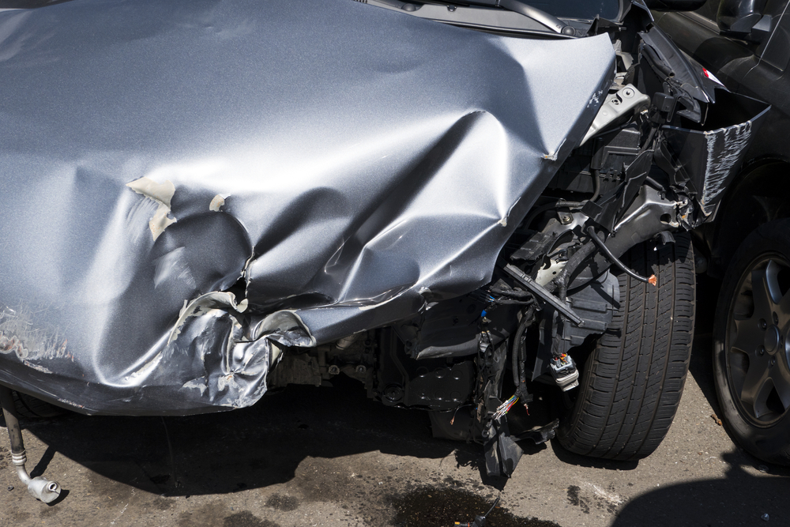 | The car exhibits significant damage to its front section. The front fender and door area show extensive dents and deformation, indicating a severe impact. The front bumper is detached and damaged, with visible internal components exposed. A scratch is present on the lower part of the fender. The front wheel well area is also compromised, with structural damage evident. | Prompt 1 (Run 1) | system You are a helpful assistant. user assistant The image shows a severely damaged car, likely involved in a collision. The front end of the car is crumpled, with significant deformation of the hood and front bumper. The engine and other mechanical components are exposed, indicating extensive damage. The car is on a road or parking area, and there are visible signs of oil or fluid leaks on the ground. This type of damage typically occurs in high-impact collisions where the front of the vehicle has collided with another object or vehicle. | 5.214 | 0.273 | 1.6273 | 0.1667 | 0.68
 |  |  |  | Prompt 2 (Run 1) | system You are a helpful assistant. user Describe &&damage 12 sedan drive’ this !!image. assistant The image shows a severely damaged sedan car. The front end of the car is crumpled and bent, indicating a significant impact. The hood is dented and folded, and the front bumper is completely detached and hanging off the front of the car. The front suspension and other mechanical components are exposed and appear to be damaged. The car is parked on a street, and there are visible signs of oil or fluid leaking from the vehicle. The overall condition of the car suggests it has been involved in a severe collision. | 5.725 | 0.273 | 2.0568 | 0.1205 | 0.656
 |  |  |  | Prompt 3 (Run 1) | system You are a helpful assistant. user An image of a damaged car parked on the side of the road. assistant The image shows a car that has been involved in a collision. The front end of the car is heavily damaged, with the hood crumpled and the front bumper and bodywork significantly bent and torn. The damage suggests that the car was involved in a severe impact, possibly with another vehicle or an object. The car is parked on the side of the road, and there are no visible signs of movement or other vehicles involved in the accident. | 4.927 | 0.273 | 1.5982 | 0.1579 | 0.5777
 |  |  |  | Prompt 4 (Run 1) | system You are a helpful assistant. user You are an insurance claims assessor. Provide a detailed description of the car’s condition. assistant The car in the image appears to have sustained significant damage in a collision. Here are the details of the car's condition: 1. **Front End Damage**: - The front hood and front bumper are heavily crumpled and dented. - The front grille and headlights are likely damaged or displaced. - The front fender and wheel well are also crumpled, indicating a severe impact. 2. **Body Damage**: - The front passenger side door is dented and deformed. - The roof and side panels show signs of deformation and possible creases. 3. **Mechanical Damage**: | 6.856 | 0.273 | 2.1642 | 0.2222 | 0.6633
 |  |  |  | Prompt 5 (Run 1) | system You are a helpful assistant. user This <part_1> of the car has <damage_type_1>. The severity appears to be <severity_1>. Additional notes: <text_1>. assistant The image shows a car that has sustained significant damage. The hood and front end of the car are heavily crumpled, indicating a severe impact. The severity of the damage appears to be high, with the hood and front end of the car extensively bent and deformed. Additional notes include: - The car appears to have been involved in a collision, likely with another vehicle or object. - There are visible signs of mechanical damage, such as bent metal and exposed components. - The damage extends from the front bumper to the hood, suggesting a head-on collision or a severe impact from the front. - The car's front end is completely | 6.757 | 0.281 | 1.7616 | 0.1882 | 0.679
 |  |  |  | Prompt 6 (Run 1) | system You are a helpful assistant. user Describe using format - Damage Type: ___; Affected Part: ___; Severity: ___; Notes: ___ assistant Damage Type: Structural Damage; Affected Part: Hood and Front End; Severity: Moderate; Notes: The hood is dented and the front end is damaged, indicating significant impact force. | 2.265 | 0.273 | 0.7601 | 0.0606 | 0.4995
unsloth/Qwen2-VL-7B-Instruct | 000422.jpg |  | The car exhibits significant damage to its front section. The front fender and door area show extensive dents and deformation, indicating a severe impact. The front bumper is detached and damaged, with visible internal components exposed. A scratch is present on the lower part of the fender. The front wheel well area is also compromised, with structural damage evident. | Prompt 1 (Run 2) | system You are a helpful assistant. user assistant The image shows a severely damaged car, likely involved in a collision. The front end of the car is crumpled, with significant deformation of the hood and front bumper. The engine and other mechanical components are exposed, indicating extensive damage. The car is on a road or parking area, and there are visible signs of oil or fluid leaks on the ground. This type of damage typically occurs in high-impact collisions where the front of the vehicle has collided with another object or vehicle. | 5.279 | 0.273 | 1.6273 | 0.1667 | 0.68
 |  |  |  | Prompt 2 (Run 2) | system You are a helpful assistant. user Describe &&damage 12 sedan drive’ this !!image. assistant The image shows a severely damaged sedan car. The front end of the car is crumpled and bent, indicating a significant impact. The hood is dented and folded, and the front bumper is completely detached and hanging off the front of the car. The front suspension and other mechanical components are exposed and appear to be damaged. The car is parked on a street, and there are visible signs of oil or fluid leaking from the vehicle. The overall condition of the car suggests it has been involved in a severe collision. | 5.557 | 0.273 | 2.0568 | 0.1205 | 0.656
 |  |  |  | Prompt 3 (Run 2) | system You are a helpful assistant. user An image of a damaged car parked on the side of the road. assistant The image shows a car that has been involved in a collision. The front end of the car is heavily damaged, with the hood crumpled and the front bumper and bodywork significantly bent and torn. The damage suggests that the car was involved in a severe impact, possibly with another vehicle or an object. The car is parked on the side of the road, and there are no visible signs of movement or other vehicles involved in the accident. | 4.858 | 0.273 | 1.5982 | 0.1579 | 0.5777
 |  |  |  | Prompt 4 (Run 2) | system You are a helpful assistant. user You are an insurance claims assessor. Provide a detailed description of the car’s condition. assistant The car in the image appears to have sustained significant damage in a collision. Here are the details of the car's condition: 1. **Front End Damage**: - The front hood and front bumper are heavily crumpled and dented. - The front grille and headlights are likely damaged or displaced. - The front fender and wheel well are also crumpled, indicating a severe impact. 2. **Body Damage**: - The front passenger side door is dented and deformed. - The roof and side panels show signs of deformation and possible creases. 3. **Mechanical Damage**: | 6.85 | 0.273 | 2.1642 | 0.2222 | 0.6633
 |  |  |  | Prompt 5 (Run 2) | system You are a helpful assistant. user This <part_1> of the car has <damage_type_1>. The severity appears to be <severity_1>. Additional notes: <text_1>. assistant The image shows a car that has sustained significant damage. The hood and front end of the car are heavily crumpled, indicating a severe impact. The severity of the damage appears to be high, with the hood and front end of the car extensively bent and deformed. Additional notes include: - The car appears to have been involved in a collision, likely with another vehicle or object. - There are visible signs of mechanical damage, such as bent metal and exposed components. - The damage extends from the front bumper to the hood, suggesting a head-on collision or a severe impact from the front. - The car's front end is completely | 6.769 | 0.281 | 1.7616 | 0.1882 | 0.679
 |  |  |  | Prompt 6 (Run 2) | system You are a helpful assistant. user Describe using format - Damage Type: ___; Affected Part: ___; Severity: ___; Notes: ___ assistant Damage Type: Structural Damage; Affected Part: Hood and Front End; Severity: Moderate; Notes: The hood is dented and the front end is damaged, indicating significant impact force. | 2.521 | 0.273 | 0.7601 | 0.0606 | 0.4995
unsloth/Qwen2-VL-7B-Instruct | 000433.jpg | 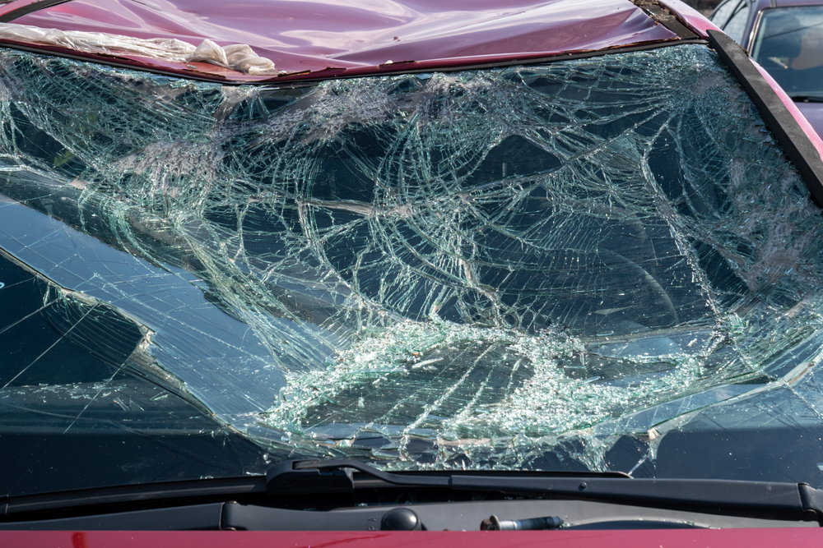 | The car exhibits significant damage to the windshield, which is extensively shattered. The roof also shows signs of damage, with a noticeable dent present. | Prompt 1 (Run 1) | system You are a helpful assistant. user assistant The image shows a severely damaged car windshield. The glass is shattered into numerous pieces, indicating a significant impact or accident. The windshield is cracked and fragmented, with pieces of glass scattered across the surface. The car's hood is also visible, and it appears to be in a similar state of damage. This type of damage typically occurs in high-speed collisions or severe accidents. | 4.198 | 0.273 | 1.1836 | 0.1132 | 0.7597
 |  |  |  | Prompt 2 (Run 1) | system You are a helpful assistant. user Describe &&damage 12 sedan drive’ this !!image. assistant The image shows a severely damaged car with a shattered windshield. The glass is broken into numerous pieces, and the windshield is completely fragmented. The hood of the car is also damaged, with the front part of the hood bent and pushed forward. The overall condition of the car indicates that it has been involved in a significant collision. | 3.653 | 0.273 | 1.3334 | 0.0816 | 0.6972
 |  |  |  | Prompt 3 (Run 1) | system You are a helpful assistant. user An image of a damaged car parked on the side of the road. assistant The image shows a car with a severely damaged windshield. The windshield is shattered into numerous pieces, indicating that the car has been involved in a significant accident. The damage is extensive, with the glass broken into many fragments. The car is parked on the side of the road, and the hood of the car is also visible, showing additional damage. | 4.016 | 0.273 | 1.4036 | 0.1224 | 0.6095
 |  |  |  | Prompt 4 (Run 1) | system You are a helpful assistant. user You are an insurance claims assessor. Provide a detailed description of the car’s condition. assistant The car in the image has sustained significant damage to its front windshield. The windshield is shattered into numerous small pieces, with cracks and fragments scattered across the glass. The damage appears to be extensive, with the windshield likely to be completely unusable. The car's hood is also visible and appears to be bent or damaged, indicating that the impact was severe. The overall condition of the car suggests that it has been involved in a high-impact collision. | 5.199 | 0.273 | 1.4151 | 0.1311 | 0.7075
 |  |  |  | Prompt 5 (Run 1) | system You are a helpful assistant. user This <part_1> of the car has <damage_type_1>. The severity appears to be <severity_1>. Additional notes: <text_1>. assistant The <part_1> of the car is the windshield. The damage type is <damage_type_1>, which is a shattered windshield. The severity appears to be <severity_1>, indicating that the windshield is completely broken and likely unsafe to drive with. Additional notes: The windshield has multiple cracks and pieces of glass scattered across it, and the car appears to be in a parking lot or a similar area. | 4.613 | 0.281 | 1.235 | 0.0769 | 0.744
 |  |  |  | Prompt 6 (Run 1) | system You are a helpful assistant. user Describe using format - Damage Type: ___; Affected Part: ___; Severity: ___; Notes: ___ assistant Damage Type: Impact; Affected Part: Windshield; Severity: Severe; Notes: The windshield is completely shattered, with pieces of glass scattered across the front of the vehicle. | 2.152 | 0.273 | 0.5312 | 0.0889 | 0.603
unsloth/Qwen2-VL-7B-Instruct | 000433.jpg |  | The car exhibits significant damage to the windshield, which is extensively shattered. The roof also shows signs of damage, with a noticeable dent present. | Prompt 1 (Run 2) | system You are a helpful assistant. user assistant The image shows a severely damaged car windshield. The glass is shattered into numerous pieces, indicating a significant impact or accident. The windshield is cracked and fragmented, with pieces of glass scattered across the surface. The car's hood is also visible, and it appears to be in a similar state of damage. This type of damage typically occurs in high-speed collisions or severe accidents. | 4.059 | 0.273 | 1.1836 | 0.1132 | 0.7597
 |  |  |  | Prompt 2 (Run 2) | system You are a helpful assistant. user Describe &&damage 12 sedan drive’ this !!image. assistant The image shows a severely damaged car with a shattered windshield. The glass is broken into numerous pieces, and the windshield is completely fragmented. The hood of the car is also damaged, with the front part of the hood bent and pushed forward. The overall condition of the car indicates that it has been involved in a significant collision. | 3.643 | 0.273 | 1.3334 | 0.0816 | 0.6972
 |  |  |  | Prompt 3 (Run 2) | system You are a helpful assistant. user An image of a damaged car parked on the side of the road. assistant The image shows a car with a severely damaged windshield. The windshield is shattered into numerous pieces, indicating that the car has been involved in a significant accident. The damage is extensive, with the glass broken into many fragments. The car is parked on the side of the road, and the hood of the car is also visible, showing additional damage. | 3.775 | 0.273 | 1.4036 | 0.1224 | 0.6095
 |  |  |  | Prompt 4 (Run 2) | system You are a helpful assistant. user You are an insurance claims assessor. Provide a detailed description of the car’s condition. assistant The car in the image has sustained significant damage to its front windshield. The windshield is shattered into numerous small pieces, with cracks and fragments scattered across the glass. The damage appears to be extensive, with the windshield likely to be completely unusable. The car's hood is also visible and appears to be bent or damaged, indicating that the impact was severe. The overall condition of the car suggests that it has been involved in a high-impact collision. | 5.088 | 0.273 | 1.4151 | 0.1311 | 0.7075
 |  |  |  | Prompt 5 (Run 2) | system You are a helpful assistant. user This <part_1> of the car has <damage_type_1>. The severity appears to be <severity_1>. Additional notes: <text_1>. assistant The <part_1> of the car is the windshield. The damage type is <damage_type_1>, which is a shattered windshield. The severity appears to be <severity_1>, indicating that the windshield is completely broken and likely unsafe to drive with. Additional notes: The windshield has multiple cracks and pieces of glass scattered across it, and the car appears to be in a parking lot or a similar area. | 4.583 | 0.281 | 1.235 | 0.0769 | 0.744
 |  |  |  | Prompt 6 (Run 2) | system You are a helpful assistant. user Describe using format - Damage Type: ___; Affected Part: ___; Severity: ___; Notes: ___ assistant Damage Type: Impact; Affected Part: Windshield; Severity: Severe; Notes: The windshield is completely shattered, with pieces of glass scattered across the front of the vehicle. | 2.263 | 0.273 | 0.5312 | 0.0889 | 0.603
unsloth/Qwen2-VL-7B-Instruct | 000481.jpg | 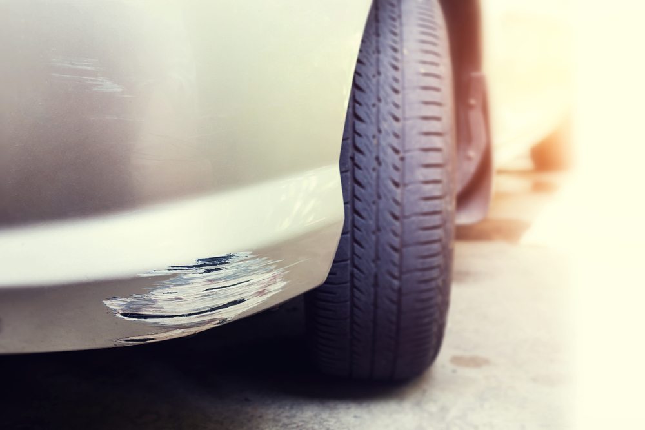 | The car exhibits visible damage including a scratch on the lower side panel near the front wheel, with moderate severity affecting the paint and surface. Additionally, a more extensive scratch is present on the lower front bumper, also near the front wheel, showing significant paint damage. | Prompt 1 (Run 1) | system You are a helpful assistant. user assistant 这张图片显示了一辆汽车的前部，车身上有明显的刮痕和油漆剥落。车轮和轮胎清晰可见，背景模糊，可能是在户外的停车场或街道上。 | 2.301 | 0.273 | 0.1797 | 0 | -0.0658
 |  |  |  | Prompt 2 (Run 1) | system You are a helpful assistant. user Describe &&damage 12 sedan drive’ this !!image. assistant The image shows a close-up of a car's front bumper. The bumper appears to have sustained damage, with a noticeable scratch and some paint chipping off. The scratch runs horizontally along the edge of the bumper, and the paint has been peeled or scratched off in the affected area. The tire and part of the car's body are also visible in the image. | 3.962 | 0.273 | 1.3409 | 0.1875 | 0.7212
 |  |  |  | Prompt 3 (Run 1) | system You are a helpful assistant. user An image of a damaged car parked on the side of the road. assistant The image shows a close-up of a car's front bumper and tire. The bumper has visible damage, with some of the paint chipped off, revealing the underlying material. The tire appears to be in good condition. The background is blurred, but it seems to be an outdoor setting, possibly a parking lot or a roadside. | 3.677 | 0.273 | 1.1909 | 0.1791 | 0.5974
 |  |  |  | Prompt 4 (Run 1) | system You are a helpful assistant. user You are an insurance claims assessor. Provide a detailed description of the car’s condition. assistant The car in the image has sustained damage to its front bumper. The paint on the bumper is chipped and scratched, revealing the underlying material. The damage appears to be localized to the front bumper area, with the paint peeling off in several places. The tire and wheel are also visible, and there are no visible signs of damage to the tire or wheel itself. The overall condition of the car suggests that it has been involved in a minor collision or impact. | 5.15 | 0.273 | 1.4623 | 0.1463 | 0.6882
 |  |  |  | Prompt 5 (Run 1) | system You are a helpful assistant. user This <part_1> of the car has <damage_type_1>. The severity appears to be <severity_1>. Additional notes: <text_1>. assistant The <part_1> of the car has <damage_type_1>. The severity appears to be <severity_1>. Additional notes: <text_1>. | 2.028 | 0.281 | 0.5954 | 0.0784 | 0.3076
 |  |  |  | Prompt 6 (Run 1) | system You are a helpful assistant. user Describe using format - Damage Type: ___; Affected Part: ___; Severity: ___; Notes: ___ assistant Damage Type: Scratch; Affected Part: Car Body; Severity: Minor; Notes: The scratch is shallow and does not penetrate the paint. | 1.816 | 0.273 | 0.4679 | 0.069 | 0.5323
unsloth/Qwen2-VL-7B-Instruct | 000481.jpg |  | The car exhibits visible damage including a scratch on the lower side panel near the front wheel, with moderate severity affecting the paint and surface. Additionally, a more extensive scratch is present on the lower front bumper, also near the front wheel, showing significant paint damage. | Prompt 1 (Run 2) | system You are a helpful assistant. user assistant 这张图片显示了一辆汽车的前部，车身上有明显的刮痕和油漆剥落。车轮和轮胎清晰可见，背景模糊，可能是在户外的停车场或街道上。 | 2.364 | 0.273 | 0.1797 | 0 | -0.0658
 |  |  |  | Prompt 2 (Run 2) | system You are a helpful assistant. user Describe &&damage 12 sedan drive’ this !!image. assistant The image shows a close-up of a car's front bumper. The bumper appears to have sustained damage, with a noticeable scratch and some paint chipping off. The scratch runs horizontally along the edge of the bumper, and the paint has been peeled or scratched off in the affected area. The tire and part of the car's body are also visible in the image. | 4.003 | 0.273 | 1.3409 | 0.1875 | 0.7212
 |  |  |  | Prompt 3 (Run 2) | system You are a helpful assistant. user An image of a damaged car parked on the side of the road. assistant The image shows a close-up of a car's front bumper and tire. The bumper has visible damage, with some of the paint chipped off, revealing the underlying material. The tire appears to be in good condition. The background is blurred, but it seems to be an outdoor setting, possibly a parking lot or a roadside. | 3.752 | 0.273 | 1.1909 | 0.1791 | 0.5974
 |  |  |  | Prompt 4 (Run 2) | system You are a helpful assistant. user You are an insurance claims assessor. Provide a detailed description of the car’s condition. assistant The car in the image has sustained damage to its front bumper. The paint on the bumper is chipped and scratched, revealing the underlying material. The damage appears to be localized to the front bumper area, with the paint peeling off in several places. The tire and wheel are also visible, and there are no visible signs of damage to the tire or wheel itself. The overall condition of the car suggests that it has been involved in a minor collision or impact. | 5.07 | 0.273 | 1.4623 | 0.1463 | 0.6882
 |  |  |  | Prompt 5 (Run 2) | system You are a helpful assistant. user This <part_1> of the car has <damage_type_1>. The severity appears to be <severity_1>. Additional notes: <text_1>. assistant The <part_1> of the car has <damage_type_1>. The severity appears to be <severity_1>. Additional notes: <text_1>. | 2.111 | 0.281 | 0.5954 | 0.0784 | 0.3076
 |  |  |  | Prompt 6 (Run 2) | system You are a helpful assistant. user Describe using format - Damage Type: ___; Affected Part: ___; Severity: ___; Notes: ___ assistant Damage Type: Scratch; Affected Part: Car Body; Severity: Minor; Notes: The scratch is shallow and does not penetrate the paint. | 1.77 | 0.273 | 0.4679 | 0.069 | 0.5323
unsloth/Qwen2-VL-7B-Instruct | 000520.jpg | 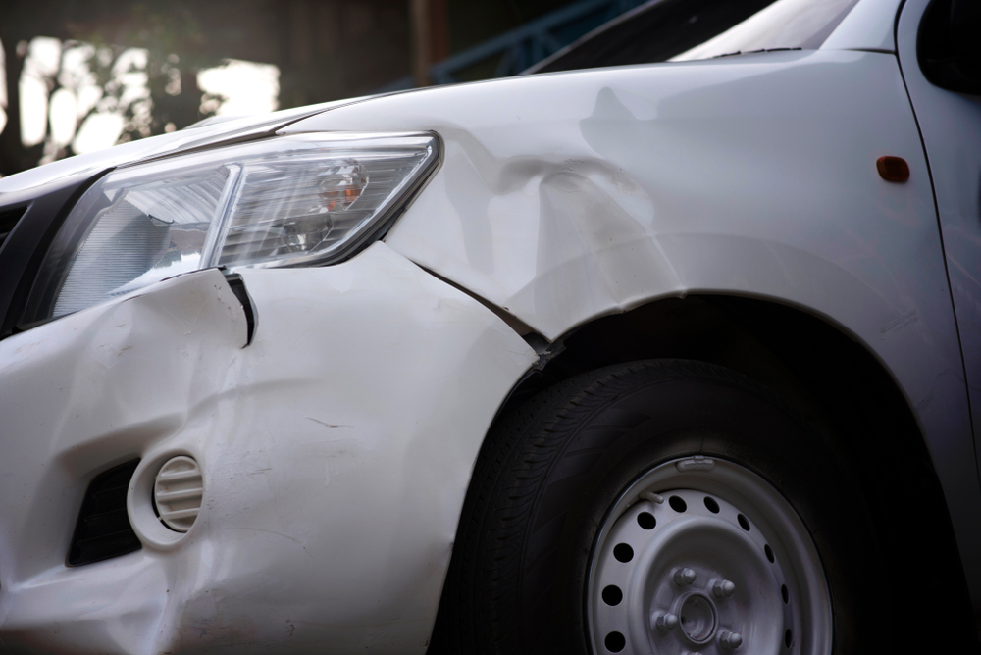 | The car exhibits multiple areas of damage. A significant dent is present on the front fender, extending from the headlight area towards the wheel well. A smaller dent is located near the front bumper, adjacent to the headlight. A scratch is visible on the lower part of the front bumper. | Prompt 1 (Run 1) | system You are a helpful assistant. user assistant The image shows a close-up of a damaged car. The front left side of the car has sustained significant damage, including a凹陷的保险杠和前灯区域。车头部分有明显的变形和刮痕，可能是因为交通事故造成的。 | 3.087 | 0.273 | 0.7211 | 0.0816 | 0.3157
 |  |  |  | Prompt 2 (Run 1) | system You are a helpful assistant. user Describe &&damage 12 sedan drive’ this !!image. assistant The image shows a white sedan with significant damage to the front left side. The front bumper is visibly crumpled and dented, indicating a collision. The headlight on the affected side is also damaged, with the glass and lens likely shattered. The fender and hood appear to be pushed inwards, and there are visible creases and deformations on the bodywork. The tire on the affected side appears to be slightly tilted, suggesting that the suspension system may also be damaged. Overall, the vehicle has sustained substantial damage, likely from a frontal impact. | 6.416 | 0.273 | 1.4858 | 0.1389 | 0.6554
 |  |  |  | Prompt 3 (Run 1) | system You are a helpful assistant. user An image of a damaged car parked on the side of the road. assistant The image shows a damaged car parked on the side of the road. The front left side of the car has sustained significant damage, including a凹陷的保险杠和前灯受损。车头部分有明显的变形和刮痕，表明可能发生了碰撞事故。 | 3.204 | 0.273 | 1.5135 | 0.0741 | 0.2845
 |  |  |  | Prompt 4 (Run 1) | system You are a helpful assistant. user You are an insurance claims assessor. Provide a detailed description of the car’s condition. assistant The car in the image appears to have sustained significant damage to the front left side. Here are the details of the car's condition: 1. **Front Left Bumper**: The bumper is heavily damaged, with dents and deformations indicating a collision. The paint is likely chipped or removed in some areas. 2. **Front Left Headlight**: The headlight is damaged, with the glass possibly shattered or cracked. The surrounding area around the headlight is also affected, indicating the force of the impact. 3. **Front Left Fender**: The fender is bent and deformed, with visible creases and dents. | 7.114 | 0.273 | 1.618 | 0.2162 | 0.7162
 |  |  |  | Prompt 5 (Run 1) | system You are a helpful assistant. user This <part_1> of the car has <damage_type_1>. The severity appears to be <severity_1>. Additional notes: <text_1>. assistant The <part_1> of the car has <damage_type_1>. The severity appears to be <severity_1>. Additional notes: <text_1>. | 2.085 | 0.281 | 0.7541 | 0.0435 | 0.3435
 |  |  |  | Prompt 6 (Run 1) | system You are a helpful assistant. user Describe using format - Damage Type: ___; Affected Part: ___; Severity: ___; Notes: ___ assistant Damage Type: Collision; Affected Part: Front bumper; Severity: Moderate; Notes: The front bumper is visibly damaged with dents and cracks, indicating a collision. | 2.073 | 0.273 | 0.2015 | 0.1923 | 0.5461
unsloth/Qwen2-VL-7B-Instruct | 000520.jpg |  | The car exhibits multiple areas of damage. A significant dent is present on the front fender, extending from the headlight area towards the wheel well. A smaller dent is located near the front bumper, adjacent to the headlight. A scratch is visible on the lower part of the front bumper. | Prompt 1 (Run 2) | system You are a helpful assistant. user assistant The image shows a close-up of a damaged car. The front left side of the car has sustained significant damage, including a凹陷的保险杠和前灯区域。车头部分有明显的变形和刮痕，可能是因为交通事故造成的。 | 2.821 | 0.273 | 0.7211 | 0.0816 | 0.3157
 |  |  |  | Prompt 2 (Run 2) | system You are a helpful assistant. user Describe &&damage 12 sedan drive’ this !!image. assistant The image shows a white sedan with significant damage to the front left side. The front bumper is visibly crumpled and dented, indicating a collision. The headlight on the affected side is also damaged, with the glass and lens likely shattered. The fender and hood appear to be pushed inwards, and there are visible creases and deformations on the bodywork. The tire on the affected side appears to be slightly tilted, suggesting that the suspension system may also be damaged. Overall, the vehicle has sustained substantial damage, likely from a frontal impact. | 6.329 | 0.273 | 1.4858 | 0.1389 | 0.6554
 |  |  |  | Prompt 3 (Run 2) | system You are a helpful assistant. user An image of a damaged car parked on the side of the road. assistant The image shows a damaged car parked on the side of the road. The front left side of the car has sustained significant damage, including a凹陷的保险杠和前灯受损。车头部分有明显的变形和刮痕，表明可能发生了碰撞事故。 | 3.077 | 0.273 | 1.5135 | 0.0741 | 0.2845
 |  |  |  | Prompt 4 (Run 2) | system You are a helpful assistant. user You are an insurance claims assessor. Provide a detailed description of the car’s condition. assistant The car in the image appears to have sustained significant damage to the front left side. Here are the details of the car's condition: 1. **Front Left Bumper**: The bumper is heavily damaged, with dents and deformations indicating a collision. The paint is likely chipped or removed in some areas. 2. **Front Left Headlight**: The headlight is damaged, with the glass possibly shattered or cracked. The surrounding area around the headlight is also affected, indicating the force of the impact. 3. **Front Left Fender**: The fender is bent and deformed, with visible creases and dents. | 7.129 | 0.273 | 1.618 | 0.2162 | 0.7162
 |  |  |  | Prompt 5 (Run 2) | system You are a helpful assistant. user This <part_1> of the car has <damage_type_1>. The severity appears to be <severity_1>. Additional notes: <text_1>. assistant The <part_1> of the car has <damage_type_1>. The severity appears to be <severity_1>. Additional notes: <text_1>. | 2.105 | 0.281 | 0.7541 | 0.0435 | 0.3435
 |  |  |  | Prompt 6 (Run 2) | system You are a helpful assistant. user Describe using format - Damage Type: ___; Affected Part: ___; Severity: ___; Notes: ___ assistant Damage Type: Collision; Affected Part: Front bumper; Severity: Moderate; Notes: The front bumper is visibly damaged with dents and cracks, indicating a collision. | 2.072 | 0.273 | 0.2015 | 0.1923 | 0.5461
unsloth/Qwen2-VL-7B-Instruct | 000541.jpg | 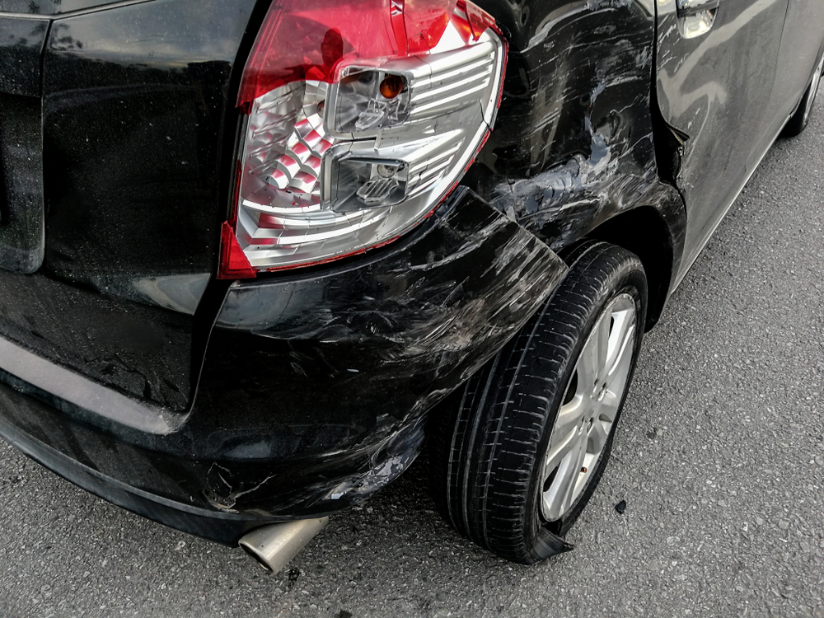 | The car exhibits significant damage. The rear bumper shows multiple scratches along its lower edge, indicating surface-level abrasions. The rear fender also displays a dent, suggesting a moderate impact that has deformed the panel. The damage to the taillight and fender is severe, affecting both the aesthetics and structural integrity of the vehicle. | Prompt 1 (Run 1) | system You are a helpful assistant. user assistant The image shows the rear end of a black car that appears to have been involved in an accident. The car has sustained significant damage, including: 1. **Crushed Rear Bumper**: The rear bumper is heavily crumpled, indicating a collision. 2. **Damaged Taillight**: The taillight is shattered, with pieces of glass and plastic scattered around. 3. **Wrinkled Paint**: The paint on the rear of the car is wrinkled and dented, suggesting impact forces. 4. **Exhaust Pipe**: The exhaust pipe is bent and protruding from the rear bumper, indicating it was likely damaged | 6.825 | 0.305 | 1.7916 | 0.169 | 0.6907
 |  |  |  | Prompt 2 (Run 1) | system You are a helpful assistant. user Describe &&damage 12 sedan drive’ this !!image. assistant The image shows a black sedan with significant damage to the rear end. The rear bumper is completely detached and hanging down, exposing the exhaust pipe. The rear fender and part of the body are also visibly damaged, with dents and cracks. The tire on the affected side appears to be flat or damaged. The overall condition of the car suggests it has been involved in a severe rear-end collision. | 5.423 | 0.305 | 2.0563 | 0.2025 | 0.6371
 |  |  |  | Prompt 3 (Run 1) | system You are a helpful assistant. user An image of a damaged car parked on the side of the road. assistant The image shows a black car that appears to have been involved in an accident. The rear bumper and the rear wheel area are damaged, with the bumper visibly crumpled and the tire damaged. The car is parked on the side of the road, and the damage is evident on the rear end of the vehicle. | 3.567 | 0.305 | 1.8941 | 0.1515 | 0.4846
 |  |  |  | Prompt 4 (Run 1) | system You are a helpful assistant. user You are an insurance claims assessor. Provide a detailed description of the car’s condition. assistant The car in the image appears to have sustained significant damage, particularly on the rear end. Here are the details of the car's condition: 1. **Rear Bumper**: The rear bumper is heavily damaged, with significant deformation and dents. The bumper is likely to be completely replaced or repaired. 2. **Tail Light**: The tail light on the right side is damaged and appears to be cracked or broken. The lens may need to be replaced. 3. **Exhaust System**: The exhaust pipe is bent and appears to be damaged. It may need to be replaced or repaired. 4. **Rear Wheel**: The rear | 6.68 | 0.306 | 1.5546 | 0.1481 | 0.5894
 |  |  |  | Prompt 5 (Run 1) | system You are a helpful assistant. user This <part_1> of the car has <damage_type_1>. The severity appears to be <severity_1>. Additional notes: <text_1>. assistant The <part_1> of the car is the rear bumper. The damage type appears to be <damage_type_1>, which is a dent or deformation. The severity of the damage seems to be <severity_1>, indicating that it is a moderate to severe dent. Additional notes include that the rear bumper is visibly damaged and there is a noticeable deformation in the area where the bumper meets the body of the car. | 4.887 | 0.313 | 1.7383 | 0.1429 | 0.6587
 |  |  |  | Prompt 6 (Run 1) | system You are a helpful assistant. user Describe using format - Damage Type: ___; Affected Part: ___; Severity: ___; Notes: ___ assistant Damage Type: Impact; Affected Part: Rear bumper, rear wheel; Severity: Moderate; Notes: The rear bumper is dented and the rear wheel is damaged, indicating a collision. | 2.486 | 0.306 | 0.941 | 0.0635 | 0.5261
unsloth/Qwen2-VL-7B-Instruct | 000541.jpg |  | The car exhibits significant damage. The rear bumper shows multiple scratches along its lower edge, indicating surface-level abrasions. The rear fender also displays a dent, suggesting a moderate impact that has deformed the panel. The damage to the taillight and fender is severe, affecting both the aesthetics and structural integrity of the vehicle. | Prompt 1 (Run 2) | system You are a helpful assistant. user assistant The image shows the rear end of a black car that appears to have been involved in an accident. The car has sustained significant damage, including: 1. **Crushed Rear Bumper**: The rear bumper is heavily crumpled, indicating a collision. 2. **Damaged Taillight**: The taillight is shattered, with pieces of glass and plastic scattered around. 3. **Wrinkled Paint**: The paint on the rear of the car is wrinkled and dented, suggesting impact forces. 4. **Exhaust Pipe**: The exhaust pipe is bent and protruding from the rear bumper, indicating it was likely damaged | 7.236 | 0.305 | 1.7916 | 0.169 | 0.6907
 |  |  |  | Prompt 2 (Run 2) | system You are a helpful assistant. user Describe &&damage 12 sedan drive’ this !!image. assistant The image shows a black sedan with significant damage to the rear end. The rear bumper is completely detached and hanging down, exposing the exhaust pipe. The rear fender and part of the body are also visibly damaged, with dents and cracks. The tire on the affected side appears to be flat or damaged. The overall condition of the car suggests it has been involved in a severe rear-end collision. | 4.363 | 0.305 | 2.0563 | 0.2025 | 0.6371
 |  |  |  | Prompt 3 (Run 2) | system You are a helpful assistant. user An image of a damaged car parked on the side of the road. assistant The image shows a black car that appears to have been involved in an accident. The rear bumper and the rear wheel area are damaged, with the bumper visibly crumpled and the tire damaged. The car is parked on the side of the road, and the damage is evident on the rear end of the vehicle. | 3.464 | 0.305 | 1.8941 | 0.1515 | 0.4846
 |  |  |  | Prompt 4 (Run 2) | system You are a helpful assistant. user You are an insurance claims assessor. Provide a detailed description of the car’s condition. assistant The car in the image appears to have sustained significant damage, particularly on the rear end. Here are the details of the car's condition: 1. **Rear Bumper**: The rear bumper is heavily damaged, with significant deformation and dents. The bumper is likely to be completely replaced or repaired. 2. **Tail Light**: The tail light on the right side is damaged and appears to be cracked or broken. The lens may need to be replaced. 3. **Exhaust System**: The exhaust pipe is bent and appears to be damaged. It may need to be replaced or repaired. 4. **Rear Wheel**: The rear | 6.684 | 0.306 | 1.5546 | 0.1481 | 0.5894
 |  |  |  | Prompt 5 (Run 2) | system You are a helpful assistant. user This <part_1> of the car has <damage_type_1>. The severity appears to be <severity_1>. Additional notes: <text_1>. assistant The <part_1> of the car is the rear bumper. The damage type appears to be <damage_type_1>, which is a dent or deformation. The severity of the damage seems to be <severity_1>, indicating that it is a moderate to severe dent. Additional notes include that the rear bumper is visibly damaged and there is a noticeable deformation in the area where the bumper meets the body of the car. | 4.63 | 0.313 | 1.7383 | 0.1429 | 0.6587
 |  |  |  | Prompt 6 (Run 2) | system You are a helpful assistant. user Describe using format - Damage Type: ___; Affected Part: ___; Severity: ___; Notes: ___ assistant Damage Type: Impact; Affected Part: Rear bumper, rear wheel; Severity: Moderate; Notes: The rear bumper is dented and the rear wheel is damaged, indicating a collision. | 2.223 | 0.306 | 0.941 | 0.0635 | 0.5261
unsloth/Qwen2-VL-7B-Instruct | 000698.jpg | 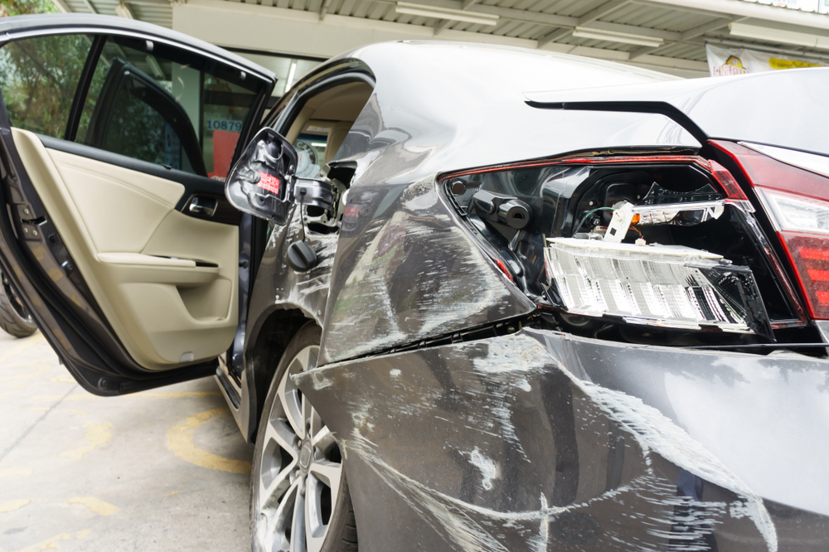 | The car exhibits significant damage. The front right headlight is broken, exposing internal components. A dent is present on the front right fender, with visible deformation. Multiple scratches are scattered across the front left fender and the front bumper, varying in length and depth. A crack is located on the front right fender, near the headlight. | Prompt 1 (Run 1) | system You are a helpful assistant. user assistant The image shows a car that appears to have been involved in a collision. The rear end of the car is damaged, with the rear bumper and taillights visibly broken and displaced. The car's door is open, and the interior is visible, showing some signs of damage. The scene suggests that the car may need repairs or replacement of the damaged parts. | 4.138 | 0.273 | 1.1521 | 0.129 | 0.5627
 |  |  |  | Prompt 2 (Run 1) | system You are a helpful assistant. user Describe &&damage 12 sedan drive’ this !!image. assistant The image shows a sedan car that appears to have been involved in a collision. The damage is significant and includes: 1. **Front Bumper**: The front bumper is heavily damaged, with parts of it missing and the structure bent. 2. **Front Left Door**: The front left door is dented and deformed, indicating a forceful impact. 3. **Front Left Headlight**: The front left headlight is shattered and missing, with the surrounding area damaged. 4. **Front Left Side Panel**: The front left side panel of the car is crumpled and dented, showing extensive damage. 5. **Front Left | 6.732 | 0.273 | 1.4257 | 0.2029 | 0.6727
 |  |  |  | Prompt 3 (Run 1) | system You are a helpful assistant. user An image of a damaged car parked on the side of the road. assistant The image shows a car that appears to have been involved in an accident. The car has sustained significant damage, particularly to the rear end, where the rear bumper and taillights are visibly damaged. The rear door is open, and the interior of the car is visible. The car is parked on the side of the road, and there is a building in the background. | 4.431 | 0.273 | 1.4269 | 0.1194 | 0.4885
 |  |  |  | Prompt 4 (Run 1) | system You are a helpful assistant. user You are an insurance claims assessor. Provide a detailed description of the car’s condition. assistant The car in the image appears to have sustained significant damage. Here are the details of the car's condition: 1. **Front Left Side:** - The front left fender and bumper are heavily damaged, with dents and cracks visible. - The front left headlight is broken and the surrounding area is damaged. - The front left door is open, and the interior of the door is visible, showing signs of damage. 2. **Front Right Side:** - The front right fender and bumper are also damaged, with similar signs of dents and cracks. - The front right headlight is broken | 7.002 | 0.273 | 2.2389 | 0.2892 | 0.7775
 |  |  |  | Prompt 5 (Run 1) | system You are a helpful assistant. user This <part_1> of the car has <damage_type_1>. The severity appears to be <severity_1>. Additional notes: <text_1>. assistant The <part_1> of the car is the rear bumper. The damage type is <damage_type_1>, which appears to be a significant dent and possible structural damage. The severity seems to be <severity_1>, indicating that the car has sustained substantial damage. Additional notes include that the rear bumper is completely damaged and the car's rear lights are also affected. | 4.114 | 0.281 | 1.0992 | 0.1563 | 0.6007
 |  |  |  | Prompt 6 (Run 1) | system You are a helpful assistant. user Describe using format - Damage Type: ___; Affected Part: ___; Severity: ___; Notes: ___ assistant Damage Type: Impact; Affected Part: Rear bumper, rear fender, and rear window; Severity: Moderate; Notes: The car shows signs of collision damage, with the rear bumper and fender visibly crumpled and the rear window broken. | 2.872 | 0.273 | 0.6627 | 0.1471 | 0.4879
unsloth/Qwen2-VL-7B-Instruct | 000698.jpg |  | The car exhibits significant damage. The front right headlight is broken, exposing internal components. A dent is present on the front right fender, with visible deformation. Multiple scratches are scattered across the front left fender and the front bumper, varying in length and depth. A crack is located on the front right fender, near the headlight. | Prompt 1 (Run 2) | system You are a helpful assistant. user assistant The image shows a car that appears to have been involved in a collision. The rear end of the car is damaged, with the rear bumper and taillights visibly broken and displaced. The car's door is open, and the interior is visible, showing some signs of damage. The scene suggests that the car may need repairs or replacement of the damaged parts. | 4.021 | 0.273 | 1.1521 | 0.129 | 0.5627
 |  |  |  | Prompt 2 (Run 2) | system You are a helpful assistant. user Describe &&damage 12 sedan drive’ this !!image. assistant The image shows a sedan car that appears to have been involved in a collision. The damage is significant and includes: 1. **Front Bumper**: The front bumper is heavily damaged, with parts of it missing and the structure bent. 2. **Front Left Door**: The front left door is dented and deformed, indicating a forceful impact. 3. **Front Left Headlight**: The front left headlight is shattered and missing, with the surrounding area damaged. 4. **Front Left Side Panel**: The front left side panel of the car is crumpled and dented, showing extensive damage. 5. **Front Left | 6.672 | 0.273 | 1.4257 | 0.2029 | 0.6727
 |  |  |  | Prompt 3 (Run 2) | system You are a helpful assistant. user An image of a damaged car parked on the side of the road. assistant The image shows a car that appears to have been involved in an accident. The car has sustained significant damage, particularly to the rear end, where the rear bumper and taillights are visibly damaged. The rear door is open, and the interior of the car is visible. The car is parked on the side of the road, and there is a building in the background. | 4.02 | 0.273 | 1.4269 | 0.1194 | 0.4885
 |  |  |  | Prompt 4 (Run 2) | system You are a helpful assistant. user You are an insurance claims assessor. Provide a detailed description of the car’s condition. assistant The car in the image appears to have sustained significant damage. Here are the details of the car's condition: 1. **Front Left Side:** - The front left fender and bumper are heavily damaged, with dents and cracks visible. - The front left headlight is broken and the surrounding area is damaged. - The front left door is open, and the interior of the door is visible, showing signs of damage. 2. **Front Right Side:** - The front right fender and bumper are also damaged, with similar signs of dents and cracks. - The front right headlight is broken | 6.831 | 0.273 | 2.2389 | 0.2892 | 0.7775
 |  |  |  | Prompt 5 (Run 2) | system You are a helpful assistant. user This <part_1> of the car has <damage_type_1>. The severity appears to be <severity_1>. Additional notes: <text_1>. assistant The <part_1> of the car is the rear bumper. The damage type is <damage_type_1>, which appears to be a significant dent and possible structural damage. The severity seems to be <severity_1>, indicating that the car has sustained substantial damage. Additional notes include that the rear bumper is completely damaged and the car's rear lights are also affected. | 4.158 | 0.281 | 1.0992 | 0.1563 | 0.6007
 |  |  |  | Prompt 6 (Run 2) | system You are a helpful assistant. user Describe using format - Damage Type: ___; Affected Part: ___; Severity: ___; Notes: ___ assistant Damage Type: Impact; Affected Part: Rear bumper, rear fender, and rear window; Severity: Moderate; Notes: The car shows signs of collision damage, with the rear bumper and fender visibly crumpled and the rear window broken. | 2.921 | 0.273 | 0.6627 | 0.1471 | 0.4879
unsloth/Qwen2-VL-7B-Instruct | 000740.jpg | 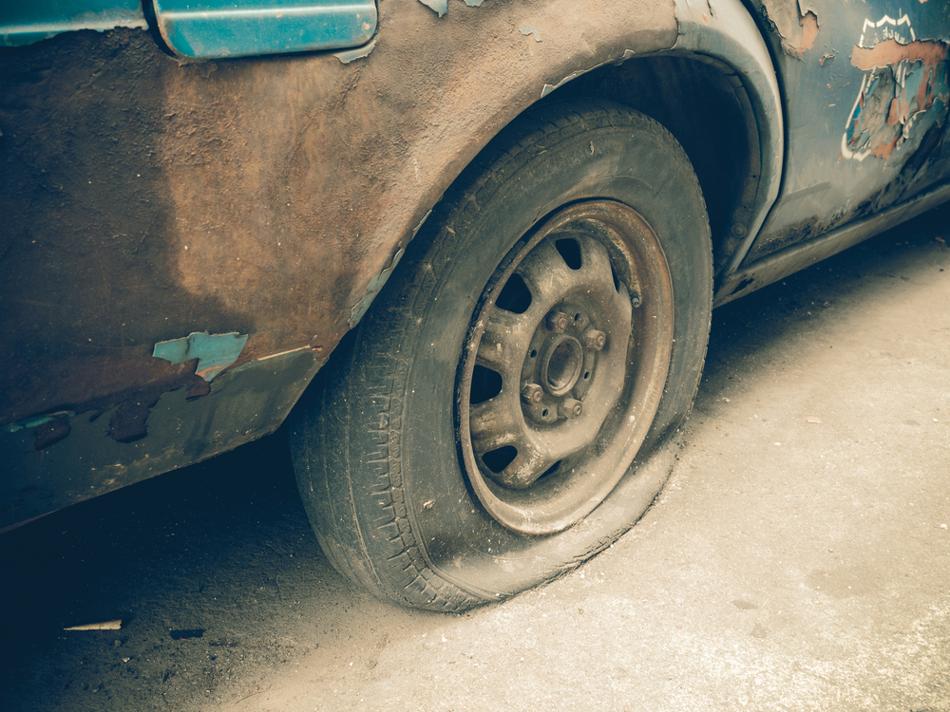 | The car exhibits significant wear and tear. The tire is flat, indicating a loss of air pressure and rendering it unusable. The bodywork around the wheel well shows extensive paint chipping and rust, suggesting prolonged exposure to the elements and lack of maintenance. The wheel itself appears to be in a worn condition, with visible dirt and grime. The overall condition of the car is poor, with clear signs of neglect and deterioration. | Prompt 1 (Run 1) | system You are a helpful assistant. user assistant The image shows a close-up of a car tire on a vehicle that appears to be in a state of disrepair. The tire is mounted on a metal wheel with a five-lug pattern. The car's body is heavily rusted and has peeling paint, indicating it has been exposed to the elements for a long time. The overall condition suggests the vehicle has been abandoned or is no longer in use. | 4.512 | 0.305 | 1.8876 | 0.1892 | 0.6712
 |  |  |  | Prompt 2 (Run 1) | system You are a helpful assistant. user Describe &&damage 12 sedan drive’ this !!image. assistant The image shows a close-up of a car's rear wheel and part of the body. The car appears to be in a state of disrepair. Here are the specific damages observed: 1. **Paint Peeling and Chipping**: The paint on the car's body is peeling and chipping off, particularly noticeable on the rear fender and the rear wheel area. This indicates significant wear and exposure to the elements over time. 2. **Rust**: There is visible rust on the rear fender and the wheel area, suggesting that the car has been exposed to moisture and has not been maintained properly. 3. **Tire | 6.733 | 0.305 | 2.1702 | 0.186 | 0.6751
 |  |  |  | Prompt 3 (Run 1) | system You are a helpful assistant. user An image of a damaged car parked on the side of the road. assistant The image shows a close-up of a damaged car parked on the side of the road. The car appears to be old and has significant rust and peeling paint. The tire is flat, and the car's body shows signs of wear and tear. The overall condition of the car suggests it has been abandoned or is in a state of disrepair. | 4.104 | 0.305 | 2.6539 | 0.2025 | 0.5493
 |  |  |  | Prompt 4 (Run 1) | system You are a helpful assistant. user You are an insurance claims assessor. Provide a detailed description of the car’s condition. assistant The car in the image appears to be in a very poor condition. The body of the car is heavily rusted and damaged, with significant paint peeling and chipping. The front fender is particularly damaged, with large areas of the metal exposed and the paint completely removed. The tire on the front wheel is also flat, indicating that the car may have been stationary for a long period of time. Overall, the car seems to be in a state of disrepair and would require extensive repairs or replacement. | 5.464 | 0.306 | 2.4027 | 0.1591 | 0.5942
 |  |  |  | Prompt 5 (Run 1) | system You are a helpful assistant. user This <part_1> of the car has <damage_type_1>. The severity appears to be <severity_1>. Additional notes: <text_1>. assistant The <part_1> of the car is the <damage_type_1> of the <severity_1>. Additional notes: The paint is chipped and peeling, indicating significant wear and tear. | 2.682 | 0.313 | 2.2746 | 0.1311 | 0.4243
 |  |  |  | Prompt 6 (Run 1) | system You are a helpful assistant. user Describe using format - Damage Type: ___; Affected Part: ___; Severity: ___; Notes: ___ assistant Damage Type: Flat tire; Affected Part: Front left tire; Severity: Moderate; Notes: The tire is deflated and appears to be damaged, possibly due to a puncture or other mechanical issue. | 2.465 | 0.306 | 0.7992 | 0.0556 | 0.4747
unsloth/Qwen2-VL-7B-Instruct | 000740.jpg |  | The car exhibits significant wear and tear. The tire is flat, indicating a loss of air pressure and rendering it unusable. The bodywork around the wheel well shows extensive paint chipping and rust, suggesting prolonged exposure to the elements and lack of maintenance. The wheel itself appears to be in a worn condition, with visible dirt and grime. The overall condition of the car is poor, with clear signs of neglect and deterioration. | Prompt 1 (Run 2) | system You are a helpful assistant. user assistant The image shows a close-up of a car tire on a vehicle that appears to be in a state of disrepair. The tire is mounted on a metal wheel with a five-lug pattern. The car's body is heavily rusted and has peeling paint, indicating it has been exposed to the elements for a long time. The overall condition suggests the vehicle has been abandoned or is no longer in use. | 4.413 | 0.305 | 1.8876 | 0.1892 | 0.6712
 |  |  |  | Prompt 2 (Run 2) | system You are a helpful assistant. user Describe &&damage 12 sedan drive’ this !!image. assistant The image shows a close-up of a car's rear wheel and part of the body. The car appears to be in a state of disrepair. Here are the specific damages observed: 1. **Paint Peeling and Chipping**: The paint on the car's body is peeling and chipping off, particularly noticeable on the rear fender and the rear wheel area. This indicates significant wear and exposure to the elements over time. 2. **Rust**: There is visible rust on the rear fender and the wheel area, suggesting that the car has been exposed to moisture and has not been maintained properly. 3. **Tire | 6.916 | 0.305 | 2.1702 | 0.186 | 0.6751
 |  |  |  | Prompt 3 (Run 2) | system You are a helpful assistant. user An image of a damaged car parked on the side of the road. assistant The image shows a close-up of a damaged car parked on the side of the road. The car appears to be old and has significant rust and peeling paint. The tire is flat, and the car's body shows signs of wear and tear. The overall condition of the car suggests it has been abandoned or is in a state of disrepair. | 4.042 | 0.305 | 2.6539 | 0.2025 | 0.5493
 |  |  |  | Prompt 4 (Run 2) | system You are a helpful assistant. user You are an insurance claims assessor. Provide a detailed description of the car’s condition. assistant The car in the image appears to be in a very poor condition. The body of the car is heavily rusted and damaged, with significant paint peeling and chipping. The front fender is particularly damaged, with large areas of the metal exposed and the paint completely removed. The tire on the front wheel is also flat, indicating that the car may have been stationary for a long period of time. Overall, the car seems to be in a state of disrepair and would require extensive repairs or replacement. | 5.463 | 0.306 | 2.4027 | 0.1591 | 0.5942
 |  |  |  | Prompt 5 (Run 2) | system You are a helpful assistant. user This <part_1> of the car has <damage_type_1>. The severity appears to be <severity_1>. Additional notes: <text_1>. assistant The <part_1> of the car is the <damage_type_1> of the <severity_1>. Additional notes: The paint is chipped and peeling, indicating significant wear and tear. | 2.552 | 0.313 | 2.2746 | 0.1311 | 0.4243
 |  |  |  | Prompt 6 (Run 2) | system You are a helpful assistant. user Describe using format - Damage Type: ___; Affected Part: ___; Severity: ___; Notes: ___ assistant Damage Type: Flat tire; Affected Part: Front left tire; Severity: Moderate; Notes: The tire is deflated and appears to be damaged, possibly due to a puncture or other mechanical issue. | 2.543 | 0.306 | 0.7992 | 0.0556 | 0.4747
unsloth/Qwen2-VL-7B-Instruct | 000869.jpg | 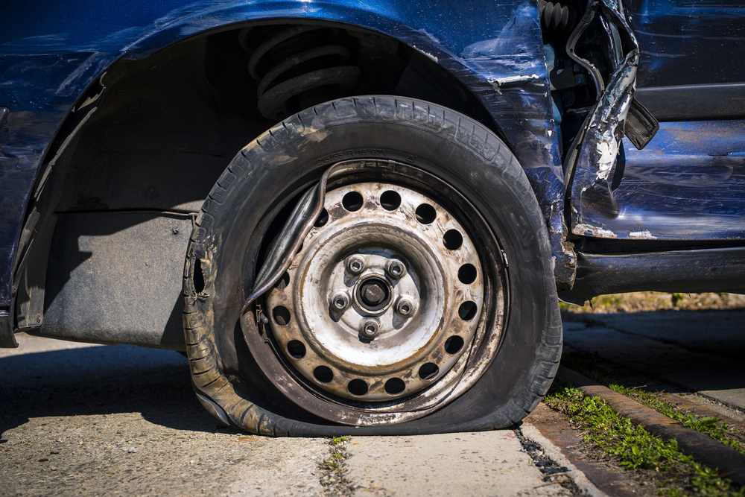 | The car exhibits a flat tire, with the tire visibly deflated and resting on the ground. The wheel rim is exposed, showing signs of wear and dirt. The surrounding area of the tire, including the fender and adjacent body panels, shows significant deformation and damage. The fender is bent and misaligned, with visible creases and dents. The body panel near the tire also displays extensive damage, with parts of the metal peeled away and hanging loosely. | Prompt 1 (Run 1) | system You are a helpful assistant. user assistant The image shows a close-up of a damaged car wheel. The tire is瘪了 (flattened), and the car appears to have been involved in an accident. The wheel is still attached to the car, but the tire is no longer inflated. The car's body is also damaged, with visible dents and deformities. This type of damage typically occurs in a collision where the tire is compressed or punctured, leading to the tire losing its air pressure and becoming flat. | 5.244 | 0.273 | 1.7244 | 0.1067 | 0.656
 |  |  |  | Prompt 2 (Run 1) | system You are a helpful assistant. user Describe &&damage 12 sedan drive’ this !!image. assistant The image shows a blue sedan with significant damage to its front right side. The front fender is completely torn off, exposing the inner components of the wheel well. The tire is deflated and flattened, indicating that it has been damaged or punctured. The front bumper and other parts of the car are also visibly damaged, suggesting that the vehicle was involved in a collision. The overall condition of the car indicates a severe accident. | 5.152 | 0.273 | 1.7209 | 0.1163 | 0.6255
 |  |  |  | Prompt 3 (Run 1) | system You are a helpful assistant. user An image of a damaged car parked on the side of the road. assistant The image shows a damaged car with a flat tire. The tire is deflated and the car appears to have sustained significant damage, possibly from a collision. The car is parked on the side of the road, and the tire is resting on the ground. | 2.893 | 0.273 | 2.0561 | 0.1739 | 0.6218
 |  |  |  | Prompt 4 (Run 1) | system You are a helpful assistant. user You are an insurance claims assessor. Provide a detailed description of the car’s condition. assistant The car in the image appears to have sustained significant damage. Here are the details of the car's condition: 1. **Front Left Wheel**: The front left wheel is completely flat, indicating that the tire has been punctured or damaged. The tire is no longer inflated and is resting on the ground. 2. **Front Left Fender**: The front left fender is severely damaged, with large dents and folds. The metal has been crumpled, indicating a high-impact collision. 3. **Front Left Door**: The front left door is also damaged, with significant dents and folds. The door appears to be bent | 6.668 | 0.273 | 1.7756 | 0.1778 | 0.5812
 |  |  |  | Prompt 5 (Run 1) | system You are a helpful assistant. user This <part_1> of the car has <damage_type_1>. The severity appears to be <severity_1>. Additional notes: <text_1>. assistant The <part_1> of the car is the <damage_type_1> tire. The severity appears to be moderate, as the tire is flat and the wheel is bent. Additional notes include that the car has sustained significant damage to the body, with dents and bends visible on the side and front. | 3.485 | 0.281 | 1.7276 | 0.1316 | 0.6491
 |  |  |  | Prompt 6 (Run 1) | system You are a helpful assistant. user Describe using format - Damage Type: ___; Affected Part: ___; Severity: ___; Notes: ___ assistant Damage Type: Tire; Affected Part: Front Left; Severity: Flat; Notes: The tire is completely flat, and the vehicle appears to have been involved in a collision, as evidenced by the bent fender and damaged bodywork. | 2.725 | 0.273 | 0.8424 | 0.1039 | 0.5875
unsloth/Qwen2-VL-7B-Instruct | 000869.jpg |  | The car exhibits a flat tire, with the tire visibly deflated and resting on the ground. The wheel rim is exposed, showing signs of wear and dirt. The surrounding area of the tire, including the fender and adjacent body panels, shows significant deformation and damage. The fender is bent and misaligned, with visible creases and dents. The body panel near the tire also displays extensive damage, with parts of the metal peeled away and hanging loosely. | Prompt 1 (Run 2) | system You are a helpful assistant. user assistant The image shows a close-up of a damaged car wheel. The tire is瘪了 (flattened), and the car appears to have been involved in an accident. The wheel is still attached to the car, but the tire is no longer inflated. The car's body is also damaged, with visible dents and deformities. This type of damage typically occurs in a collision where the tire is compressed or punctured, leading to the tire losing its air pressure and becoming flat. | 5.117 | 0.273 | 1.7244 | 0.1067 | 0.656
 |  |  |  | Prompt 2 (Run 2) | system You are a helpful assistant. user Describe &&damage 12 sedan drive’ this !!image. assistant The image shows a blue sedan with significant damage to its front right side. The front fender is completely torn off, exposing the inner components of the wheel well. The tire is deflated and flattened, indicating that it has been damaged or punctured. The front bumper and other parts of the car are also visibly damaged, suggesting that the vehicle was involved in a collision. The overall condition of the car indicates a severe accident. | 5.28 | 0.273 | 1.7209 | 0.1163 | 0.6255
 |  |  |  | Prompt 3 (Run 2) | system You are a helpful assistant. user An image of a damaged car parked on the side of the road. assistant The image shows a damaged car with a flat tire. The tire is deflated and the car appears to have sustained significant damage, possibly from a collision. The car is parked on the side of the road, and the tire is resting on the ground. | 3.165 | 0.273 | 2.0561 | 0.1739 | 0.6218
 |  |  |  | Prompt 4 (Run 2) | system You are a helpful assistant. user You are an insurance claims assessor. Provide a detailed description of the car’s condition. assistant The car in the image appears to have sustained significant damage. Here are the details of the car's condition: 1. **Front Left Wheel**: The front left wheel is completely flat, indicating that the tire has been punctured or damaged. The tire is no longer inflated and is resting on the ground. 2. **Front Left Fender**: The front left fender is severely damaged, with large dents and folds. The metal has been crumpled, indicating a high-impact collision. 3. **Front Left Door**: The front left door is also damaged, with significant dents and folds. The door appears to be bent | 6.656 | 0.273 | 1.7756 | 0.1778 | 0.5812
 |  |  |  | Prompt 5 (Run 2) | system You are a helpful assistant. user This <part_1> of the car has <damage_type_1>. The severity appears to be <severity_1>. Additional notes: <text_1>. assistant The <part_1> of the car is the <damage_type_1> tire. The severity appears to be moderate, as the tire is flat and the wheel is bent. Additional notes include that the car has sustained significant damage to the body, with dents and bends visible on the side and front. | 3.494 | 0.281 | 1.7276 | 0.1316 | 0.6491
 |  |  |  | Prompt 6 (Run 2) | system You are a helpful assistant. user Describe using format - Damage Type: ___; Affected Part: ___; Severity: ___; Notes: ___ assistant Damage Type: Tire; Affected Part: Front Left; Severity: Flat; Notes: The tire is completely flat, and the vehicle appears to have been involved in a collision, as evidenced by the bent fender and damaged bodywork. | 2.692 | 0.273 | 0.8424 | 0.1039 | 0.5875
unsloth/Qwen2-VL-7B-Instruct | 000889.jpg | 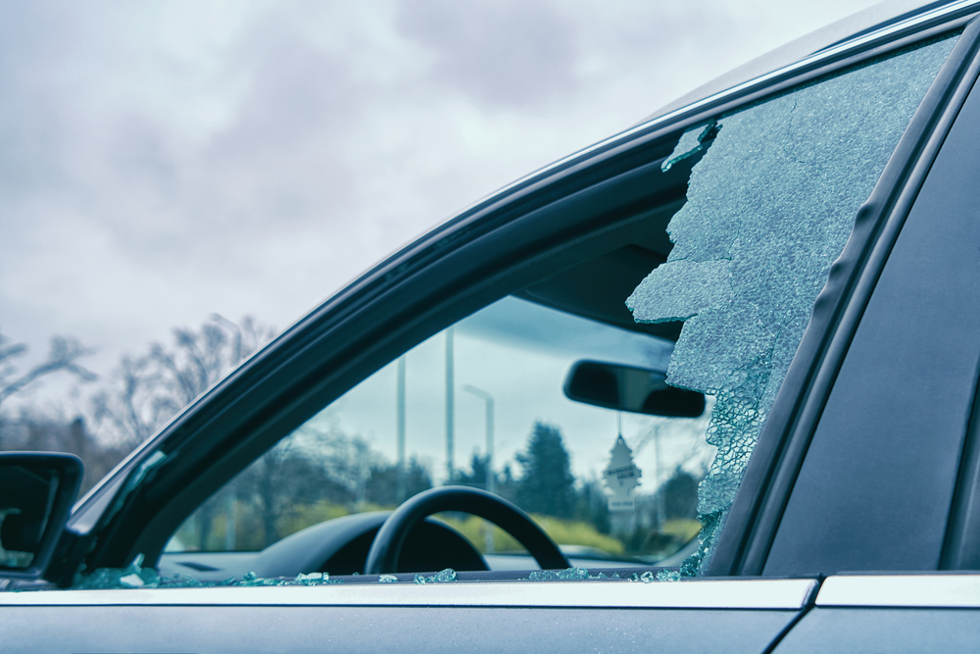 | The car exhibits significant damage to the driver's side window, which is shattered extensively. The glass is fragmented and broken, with large pieces missing, indicating a severe impact. | Prompt 1 (Run 1) | system You are a helpful assistant. user assistant The image shows a car with a broken window. The window appears to have been shattered, with pieces of glass scattered inside and outside the car. The background shows a cloudy sky and some trees, indicating that the car is parked outdoors. | 2.629 | 0.273 | 1.201 | 0.2051 | 0.5515
 |  |  |  | Prompt 2 (Run 1) | system You are a helpful assistant. user Describe &&damage 12 sedan drive’ this !!image. assistant The image shows a sedan with a broken passenger-side window. The glass is shattered and has large cracks, indicating that the window has been damaged. The interior of the car is visible, including the steering wheel and the dashboard. The damage appears to be significant, suggesting that the car may have been involved in an accident or has been vandalized. | 3.948 | 0.273 | 1.3979 | 0.2041 | 0.7741
 |  |  |  | Prompt 3 (Run 1) | system You are a helpful assistant. user An image of a damaged car parked on the side of the road. assistant The image shows a car with a damaged windshield. The windshield has a large crack and some pieces of glass are missing, indicating that the car has been involved in an accident. The car is parked on the side of the road, and the background shows a cloudy sky with some trees and a streetlight. | 3.403 | 0.273 | 1.2469 | 0.1132 | 0.5393
 |  |  |  | Prompt 4 (Run 1) | system You are a helpful assistant. user You are an insurance claims assessor. Provide a detailed description of the car’s condition. assistant The car in the image appears to have sustained significant damage to its front passenger side window. The glass is shattered and broken into numerous pieces, with some pieces scattered around the window area. The damage extends from the top left corner of the window down to the bottom right, creating a large, irregularly shaped hole. The interior of the car, including the dashboard and steering wheel, is visible through the broken window. The overall condition of the car suggests that it has been involved in a collision or an impact that caused the window to shatter. | 5.82 | 0.273 | 1.4994 | 0.2162 | 0.7946
 |  |  |  | Prompt 5 (Run 1) | system You are a helpful assistant. user This <part_1> of the car has <damage_type_1>. The severity appears to be <severity_1>. Additional notes: <text_1>. assistant The <part_1> of the car is the windshield. The damage type is <damage_type_1>, which is a broken windshield. The severity appears to be <severity_1>, indicating that the windshield is completely shattered. Additional notes: There are pieces of glass scattered inside the car, and the interior is visible through the broken windshield. | 3.755 | 0.281 | 1.2584 | 0.1333 | 0.7088
 |  |  |  | Prompt 6 (Run 1) | system You are a helpful assistant. user Describe using format - Damage Type: ___; Affected Part: ___; Severity: ___; Notes: ___ assistant Damage Type: Glass Breakage; Affected Part: Front Passenger Window; Severity: Moderate; Notes: The window has a large crack and is partially broken, allowing debris to enter the vehicle. | 2.258 | 0.273 | 0.581 | 0.04 | 0.6822
unsloth/Qwen2-VL-7B-Instruct | 000889.jpg |  | The car exhibits significant damage to the driver's side window, which is shattered extensively. The glass is fragmented and broken, with large pieces missing, indicating a severe impact. | Prompt 1 (Run 2) | system You are a helpful assistant. user assistant The image shows a car with a broken window. The window appears to have been shattered, with pieces of glass scattered inside and outside the car. The background shows a cloudy sky and some trees, indicating that the car is parked outdoors. | 2.679 | 0.273 | 1.201 | 0.2051 | 0.5515
 |  |  |  | Prompt 2 (Run 2) | system You are a helpful assistant. user Describe &&damage 12 sedan drive’ this !!image. assistant The image shows a sedan with a broken passenger-side window. The glass is shattered and has large cracks, indicating that the window has been damaged. The interior of the car is visible, including the steering wheel and the dashboard. The damage appears to be significant, suggesting that the car may have been involved in an accident or has been vandalized. | 3.85 | 0.273 | 1.3979 | 0.2041 | 0.7741
 |  |  |  | Prompt 3 (Run 2) | system You are a helpful assistant. user An image of a damaged car parked on the side of the road. assistant The image shows a car with a damaged windshield. The windshield has a large crack and some pieces of glass are missing, indicating that the car has been involved in an accident. The car is parked on the side of the road, and the background shows a cloudy sky with some trees and a streetlight. | 3.386 | 0.273 | 1.2469 | 0.1132 | 0.5393
 |  |  |  | Prompt 4 (Run 2) | system You are a helpful assistant. user You are an insurance claims assessor. Provide a detailed description of the car’s condition. assistant The car in the image appears to have sustained significant damage to its front passenger side window. The glass is shattered and broken into numerous pieces, with some pieces scattered around the window area. The damage extends from the top left corner of the window down to the bottom right, creating a large, irregularly shaped hole. The interior of the car, including the dashboard and steering wheel, is visible through the broken window. The overall condition of the car suggests that it has been involved in a collision or an impact that caused the window to shatter. | 5.782 | 0.273 | 1.4994 | 0.2162 | 0.7946
 |  |  |  | Prompt 5 (Run 2) | system You are a helpful assistant. user This <part_1> of the car has <damage_type_1>. The severity appears to be <severity_1>. Additional notes: <text_1>. assistant The <part_1> of the car is the windshield. The damage type is <damage_type_1>, which is a broken windshield. The severity appears to be <severity_1>, indicating that the windshield is completely shattered. Additional notes: There are pieces of glass scattered inside the car, and the interior is visible through the broken windshield. | 3.83 | 0.281 | 1.2584 | 0.1333 | 0.7088
 |  |  |  | Prompt 6 (Run 2) | system You are a helpful assistant. user Describe using format - Damage Type: ___; Affected Part: ___; Severity: ___; Notes: ___ assistant Damage Type: Glass Breakage; Affected Part: Front Passenger Window; Severity: Moderate; Notes: The window has a large crack and is partially broken, allowing debris to enter the vehicle. | 2.293 | 0.273 | 0.581 | 0.04 | 0.6822

